Cordon Map
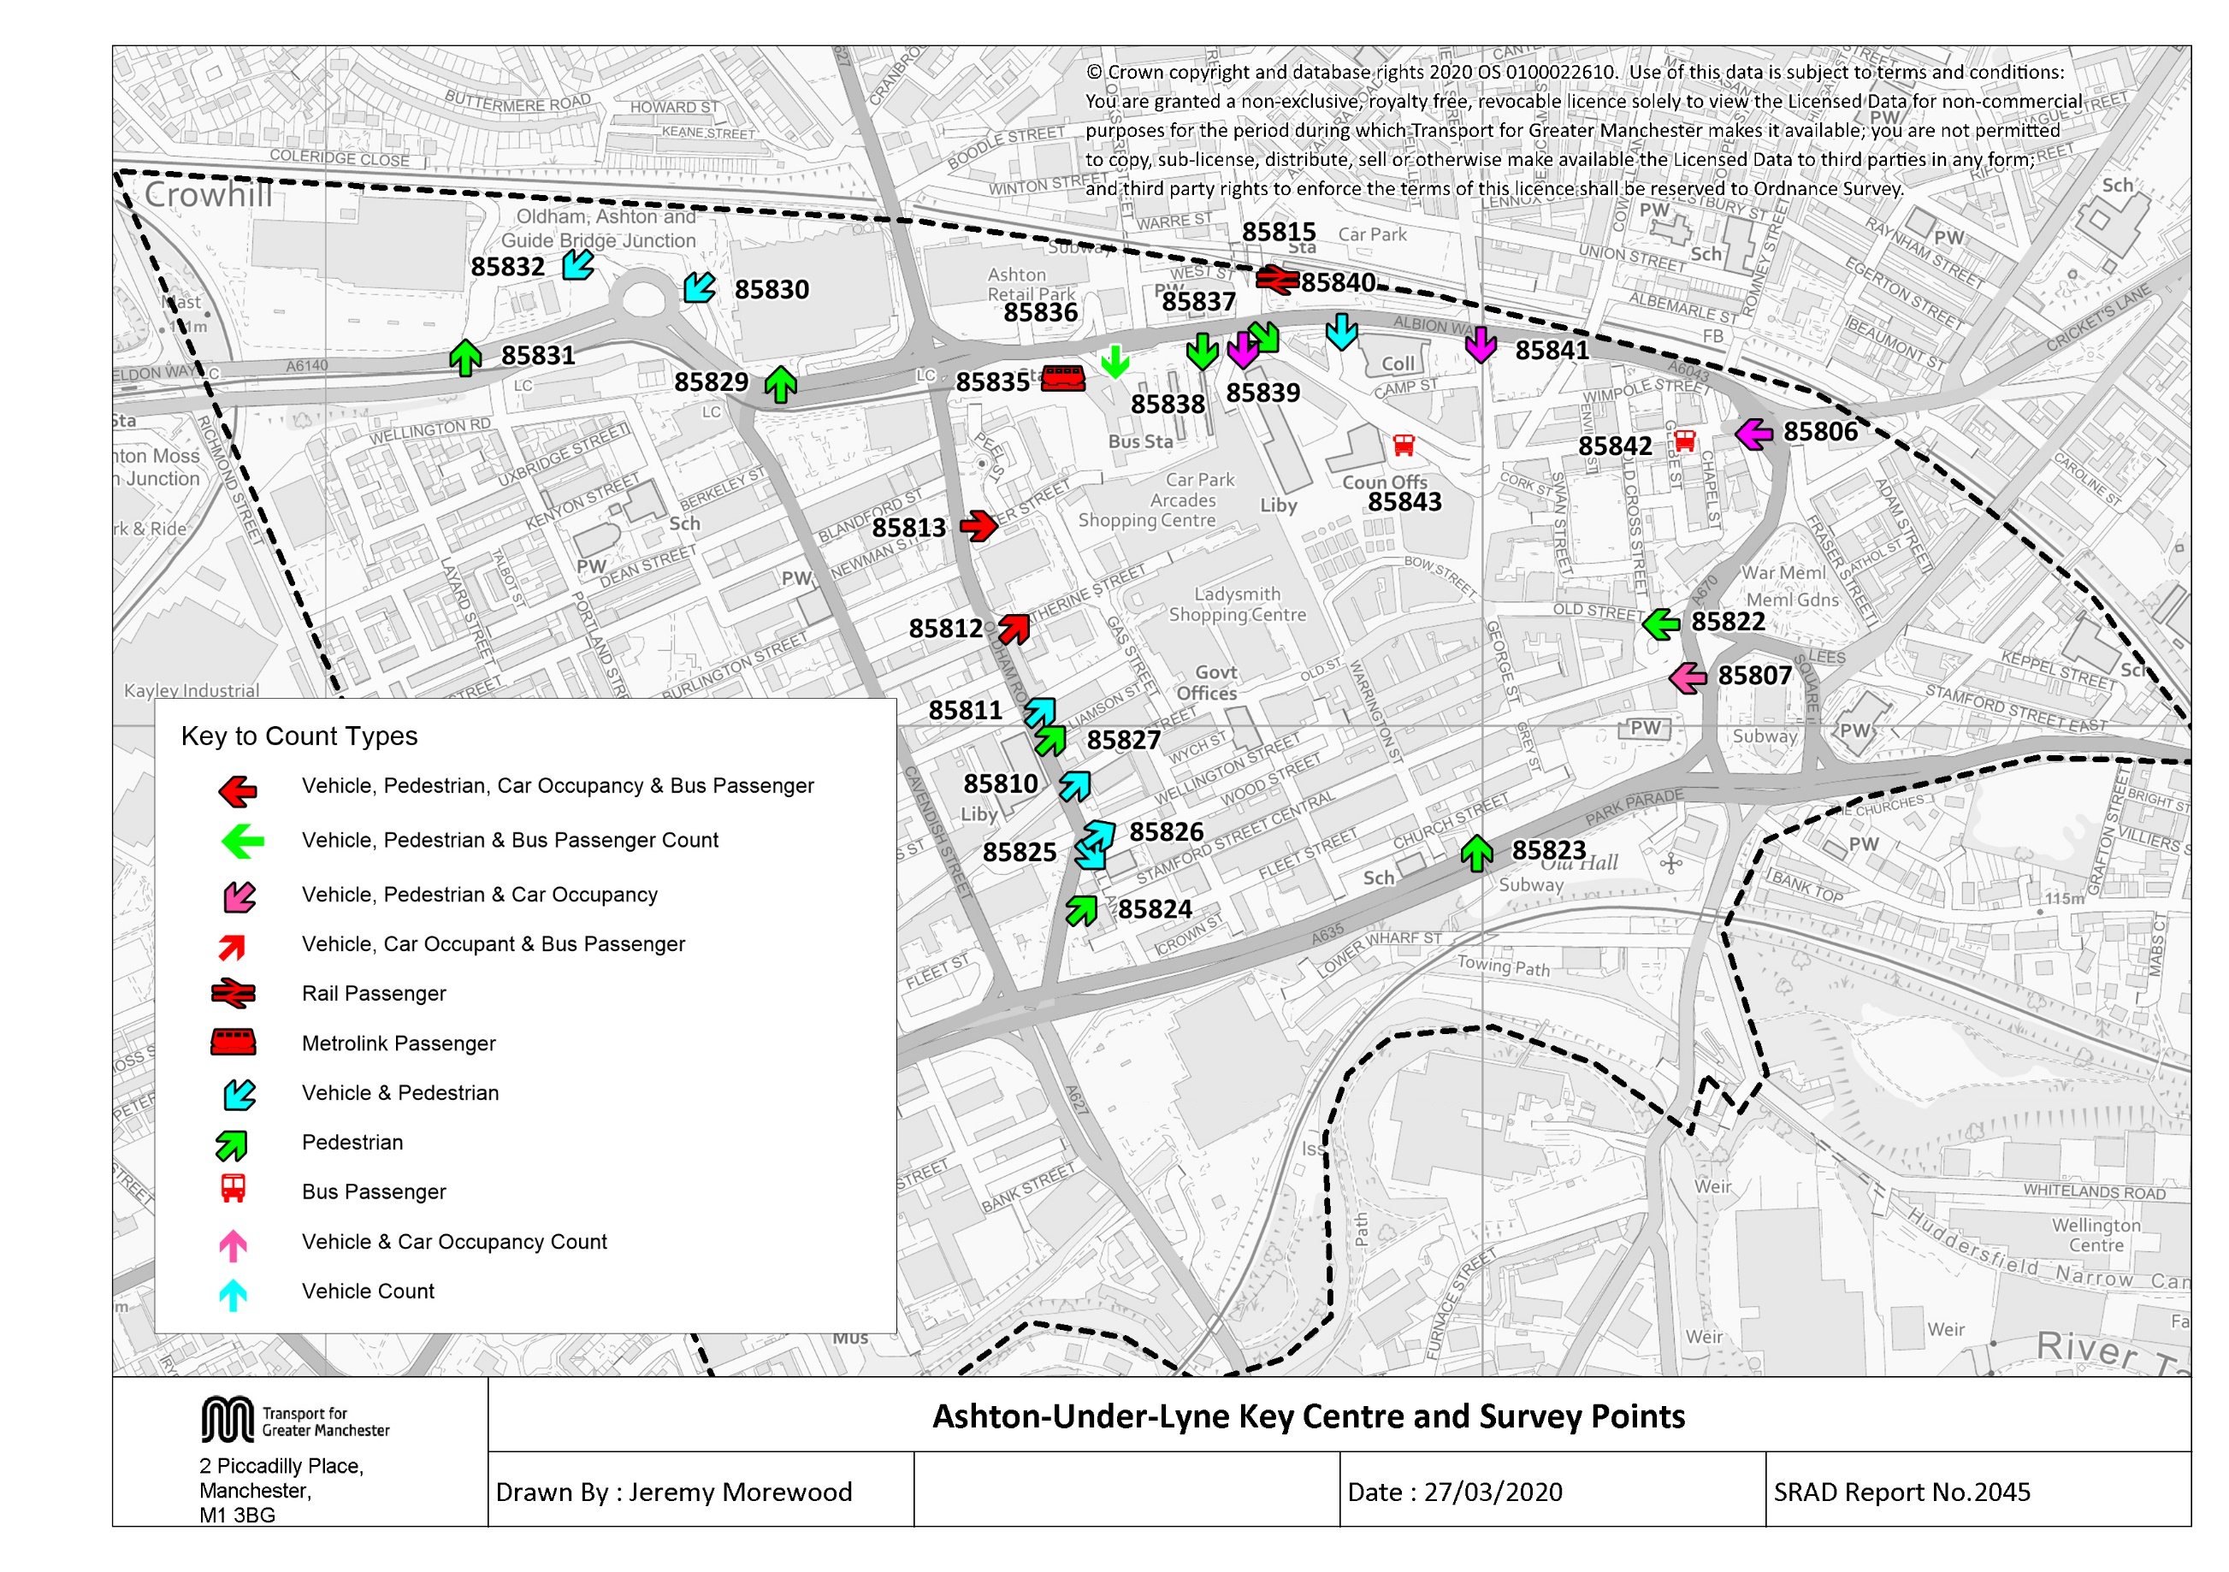

Tab 23 KC Traffic Trend
Table 23 Ashton Key Centre Cordon Counts: Trend 1997, 1998, 2001, 2004, 2007 - 2019
Time Period | Year | Cars | LGV | OGV | Buses | M/C | P/C | All | Time Period | Year | Cars | LGV | OGV | Buses | M/C | P/C | All
07:30-09:30 | 1997 | 5952 | 622 | 263 | 321 | 29 | 45 | 7232 | 10:00-12:00 | 1997 | 4323 | 553 | 221 | 338 | 21 | 29 | 5485
 | 1998 | 5417 | 637 | 265 | 337 | 15 | 46 | 6717 |  | 1998 | 4256 | 484 | 270 | 340 | 22 | 38 | 5410
 | 1999 |  |  |  |  |  |  |  |  | 1999
 | 2000 |  |  |  |  |  |  |  |  | 2000
 | 2001 | 5796 | 660 | 126 | 268 | 44 | 36 | 6930 |  | 2001 | 4221 | 532 | 137 | 285 | 35 | 19 | 5229
 | 2002 |  |  |  |  |  |  |  |  | 2002
 | 2003 |  |  |  |  |  |  |  |  | 2003
 | 2004 | 6336 | 669 | 135 | 256 | 30 | 35 | 7461 |  | 2004 | 4865 | 646 | 154 | 272 | 32 | 22 | 5991
 | 2005 |  |  |  |  |  |  |  |  | 2005
 | 2006 |  |  |  |  |  |  |  |  | 2006
 | 2007 | 5900 | 677 | 104 | 246 | 18 | 42 | 6987 |  | 2007 | 4778 | 703 | 123 | 231 | 12 | 10 | 5857
 | 2008 | 5282 | 726 | 181 | 244 | 31 | 77 | 6541 |  | 2008 | 4461 | 627 | 183 | 250 | 23 | 30 | 5574
 | 2009 | 5379 | 631 | 159 | 228 | 25 | 60 | 6482 |  | 2009 | 4381 | 660 | 137 | 202 | 30 | 60 | 5470
 | 2010 | 5322 | 596 | 121 | 226 | 27 | 58 | 6350 |  | 2010 | 4377 | 593 | 106 | 225 | 27 | 47 | 5375
 | 2011 | 4838 | 544 | 124 | 207 | 27 | 82 | 5822 |  | 2011 | 4178 | 558 | 113 | 211 | 19 | 45 | 5124
 | 2012 | 4239 | 553 | 94 | 203 | 31 | 91 | 5211 |  | 2012 | 3642 | 493 | 93 | 224 | 20 | 56 | 4528
 | 2013 | 1815 | 271 | 40 | 189 | 6 | 40 | 2361 |  | 2013 | 2291 | 278 | 41 | 187 | 4 | 24 | 2825
 | 2014 | 1825 | 264 | 37 | 170 | 13 | 53 | 2362 |  | 2014 | 2135 | 236 | 30 | 184 | 12 | 31 | 2628
 | 2015 | 1645 | 240 | 28 | 177 | 13 | 51 | 2154 |  | 2015 | 2341 | 232 | 30 | 201 | 6 | 26 | 2836
 | 2016 | 1735 | 210 | 35 | 174 | 5 | 55 | 2214 |  | 2016 | 2468 | 243 | 48 | 185 | 9 | 31 | 2984
 | 2017 | 1889 | 225 | 43 | 167 | 6 | 45 | 2375 |  | 2017 | 2421 | 243 | 27 | 185 | 6 | 31 | 2913
 | 2018 | 1883 | 208 | 57 | 146 | 4 | 33 | 2331 |  | 2018 | 2402 | 208 | 37 | 167 | 5 | 19 | 2838
 | 2019 | 1822 | 201 | 54 | 153 | 6 | 59 | 2295 |  | 2019 | 1968 | 157 | 38 | 154 | 12 | 32 | 2361
 | 2019/1997 | 0.31 | 0.32 | 0.21 | 0.48 | 0.21 | 1.31 | 0.32 |  | 2019/1997 | 0.46 | 0.28 | 0.17 | 0.46 | 0.57 | 1.10 | 0.43
Ashton Key Centre Inbound Vehicle Counts
 | 0730-0930 | 10:00-12:00 | 1600-1800
1997 | 7232 | 5485 | 5372
1998 | 6717 | 5410 | 5670
1999
2000
2001 | 6930 | 5229 | 5329
2002
2003
2004 | 7461 | 5991 | 6202
2005
2006
2007 | 6987 | 5857 | 5847
2008 | 6541 | 5574 | 6120
2009 | 6482 | 5470 | 5987
2010 | 6350 | 5375 | 6060
2011 | 5822 | 5124 | 5366
2012 | 5211 | 4528 | 4682
2013 | 2361 | 2825 | 2059
2014 | 2362 | 2628 | 1944
2015 | 2154 | 2836 | 1964
2016 | 2214 | 2984 | 2035
2017 | 2375 | 2913 | 2013
2018 | 2331 | 2838 | 2106
2019 | 2295 | 2361 | 1715
16:00-18:00 | 1997 | 4411 | 459 | 101 | 309 | 33 | 59 | 5372
 | 1998 | 4613 | 499 | 120 | 352 | 28 | 58 | 5670
 | 1999 |  |  |  |  |  |  |  |  |  |  |  |  |  |  |  |  | 4
 | 2000
 | 2001 | 4386 | 486 | 68 | 289 | 44 | 56 | 5329
 | 2002
 | 2003
 | 2004 | 5257 | 559 | 52 | 257 | 29 | 48 | 6202
 | 2005
 | 2006
 | 2007 | 4818 | 677 | 43 | 230 | 25 | 54 | 5847
 | 2008 | 5090 | 569 | 76 | 246 | 50 | 89 | 6120
 | 2009 | 5047 | 511 | 54 | 235 | 26 | 114 | 5987
 | 2010 | 5144 | 470 | 75 | 225 | 38 | 108 | 6060
 | 2011 | 4548 | 435 | 45 | 199 | 27 | 112 | 5366
 | 2012 | 3907 | 396 | 35 | 208 | 30 | 106 | 4682
 | 2013 | 1588 | 181 | 8 | 190 | 11 | 81 | 2059
 | 2014 | 1477 | 176 | 7 | 175 | 17 | 92 | 1944
 | 2015 | 1498 | 154 | 4 | 174 | 17 | 117 | 1964
 | 2016 | 1622 | 126 | 2 | 184 | 9 | 92 | 2035
 | 2017 | 1580 | 152 | 4 | 176 | 14 | 87 | 2013
 | 2018 | 1704 | 144 | 10 | 156 | 6 | 86 | 2106
 | 2019 | 1341 | 124 | 2 | 148 | 9 | 91 | 1715
 | 2019/1997 | 0.30 | 0.27 | 0.02 | 0.48 | 0.27 | 1.54 | 0.32
NB: Ashton Key Centre cordon was redrawn in 2013 to fall within the Ashton Northern Bypass (opened 2012).

Tab 24 KC NewDev Traffic Trend
Ashton New Developments Inbound Vehicle Counts
Table 24 Ashton New Developments Cordon Counts: Trend 2011 - 2019
Time Period | Year | Cars | LGV | OGV | Buses | M/C | P/C | All
07:30-09:30 | 2011 | 360 | 41 | 4 | 0 | 2 | 6 | 413
 | 2012 | 387 | 61 | 4 | 0 | 8 | 7 | 467
 | 2013 | 487 | 48 | 6 | 0 | 2 | 10 | 553
 | 2014 | 420 | 46 | 5 | 0 | 2 | 3 | 476
 | 2015 | 415 | 46 | 8 | 0 | 1 | 0 | 470
 | 2016 | 436 | 70 | 3 | 0 | 1 | 6 | 516
 | 2017 | 467 | 43 | 3 | 0 | 0 | 1 | 514
 | 2018 | 489 | 57 | 2 | 0 | 1 | 3 | 552
 | 2019 | 438 | 45 | 5 | 0 | 1 | 0 | 489
 | 2019/2011 | 1.22 | 1.10 | 1.25 | - | - | - | 1.18
10:00-12:00 | 2011 | 1025 | 74 | 3 | 0 | 0 | 0 | 1102
 | 2012 | 847 | 72 | 6 | 1 | 1 | 7 | 934
 | 2013 | 1255 | 45 | 1 | 0 | 2 | 4 | 1307
 | 2014 | 1187 | 61 | 7 | 0 | 2 | 2 | 1259
 | 2015 | 1272 | 41 | 8 | 1 | 1 | 1 | 1324
 | 2016 | 1397 | 58 | 4 | 0 | 4 | 1 | 1464
 | 2017 | 1500 | 73 | 2 | 1 | 1 | 2 | 1579
 | 2018 | 1464 | 75 | 1 | 0 | 3 | 2 | 1545
 | 2019 | 1529 | 75 | 9 | 0 | 2 | 1 | 1616
 | 2019/2011 | 1.49 | 1.01 | 3.00 | - | - | - | 1.47
16:00-18:00 | 2011 | 792 | 57 | 1 | 0 | 2 | 9 | 861
 | 2012 | 759 | 57 | 2 | 1 | 6 | 15 | 840
 | 2013 | 1045 | 42 | 4 | 3 | 5 | 11 | 1110
 | 2014 | 945 | 46 | 2 | 0 | 4 | 6 | 1003
 | 2015 | 908 | 76 | 5 | 3 | 4 | 3 | 999
 | 2016 | 1024 | 67 | 1 | 0 | 6 | 5 | 1103
 | 2017 | 1167 | 56 | 0 | 0 | 0 | 1 | 1224
 | 2018 | 1154 | 68 | 0 | 0 | 2 | 2 | 1226
 | 2019 | 1124 | 70 | 6 | 0 | 2 | 1 | 1203
 | 2019/2011 | 1.42 | 1.23 | 6.00 | - | - | - | 1.40
NB: Ashton Key Centre cordon was redrawn in 2013 to fall within the Ashton Northern Bypass (opened 2012).

Table 31 KC Car&Non-CarTrip
Car and Non-Car Trips into Ashton Key Centre 07:30-09:30
 | Car | Bus | Walk | Rail | Cycle | Metrolink
2001 | 7651 | 2403 | 2379 | 49 | 36
2002
2003
2004 | 8046 | 2807 | 2550 | 61 | 35
2005
2006
2007 | 7611 | 2024 | 2802 | 63 | 42
2008 | 6867 | 3394 | 3027 | 86 | 77
2009 | 7100 | 2428 | 2973 | 94 | 60
2010 | 6812 | 2349 | 2590 | 106 | 58
2011 | 6193 | 2356 | 2825 | 95 | 82
2012 | 5638 | 1565 | 2776 | 102 | 91
2013 | 2323 | 1716 | 2610 | 64 | 40
2014 | 2400.6928837 | 2172 | 3071 | 93 | 53 | 107
2015 | 2104.5511601 | 1971 | 2224 | 76 | 51 | 124
2016 | 2293.3081221 | 1884 | 2555 | 90 | 55 | 170
2017 | 2472.4655688 | 1889 | 2425 | 47 | 45 | 189
2018 | 2441.1121386 | 1931 | 2739 | 61 | 33 | 272
2019 | 2358.8975024 | 2286 | 2891 | 68 | 59 | 197
Table 31 Car and Non-Car Trips into Ashton Key Centre
Time Period | Year | Car | Bus* | Rail | Metrolink | Cycle | Walk | Total | % Car | % Non-Car
07:30-09:30 | 2001 | 7651 | 2403 | 49 |  | 36 | 2379 | 12518 | 61 | 39
 | 2002
 | 2003
 | 2004 | 8046 | 2807 | 61 |  | 35 | 2550 | 13499 | 60 | 40
 | 2005
 | 2006
 | 2007 | 7611 | 2024 | 63 |  | 42 | 2802 | 12542 | 61 | 39
 | 2008 | 6867 | 3394 | 86 |  | 77 | 3027 | 13451 | 51 | 49
 | 2009 | 7100 | 2428 | 94 |  | 60 | 2973 | 12655 | 56 | 44
 | 2010 | 6812 | 2349 | 106 |  | 58 | 2590 | 11915 | 57 | 43
 | 2011 | 6193 | 2356 | 95 |  | 82 | 2825 | 11551 | 54 | 46
 | 2012 | 5638 | 1565 | 102 |  | 91 | 2776 | 10172 | 55 | 45
 | 2013 | 2323 | 1716 | 64 |  | 40 | 2610 | 6753 | 34 | 66
 | 2014 | 2401 | 2172 | 93 | 107 | 53 | 3071 | 7896 | 30 | 70
 | 2015 | 2105 | 1971 | 76 | 124 | 51 | 2224 | 6551 | 32 | 68
 | 2016 | 2293 | 1884 | 90 | 170 | 55 | 2555 | 7047 | 33 | 67
 | 2017 | 2472 | 1889 | 47 | 189 | 45 | 2425 | 7067 | 35 | 65
 | 2018 | 2441 | 1931 | 61 | 272 | 33 | 2739 | 7477 | 33 | 67
 | 2019 | 2359 | 2286 | 68 | 197 | 59 | 2891 | 7860 | 30 | 70
Car and Non-Car Trips into Ashton Key Centre 10:00-12:00
 | Car | Bus | Walk | Rail | Cycle | Metrolink
2001 | 6458 | 3184 | 2735 | 35 | 19
2002
2003
2004 | 6908 | 3647 | 2919 | 44 | 22
2005
2006
2007 | 6403 | 2580 | 2941 | 33 | 10
2008 | 6201 | 3172 | 2901 | 78 | 30
2009 | 6528 | 2490 | 3263 | 102 | 60
2010 | 6390 | 2594 | 3070 | 80 | 47
2011 | 6016 | 2882 | 2896 | 84 | 45
2012 | 5026 | 2277 | 3116 | 111 | 56
2013 | 3391 | 1882 | 2585 | 45 | 24
2014 | 3151 | 2372 | 3139 | 60 | 31 | 151
2015 | 3293 | 2506 | 2083 | 47 | 26 | 174
2016 | 3659 | 2072 | 2928 | 69 | 31 | 156
2017 | 3578 | 2034 | 2731 | 40 | 31 | 222
2018 | 3452 | 2059 | 2641 | 58 | 19 | 229
2019 | 2841 | 1658 | 3123 | 51 | 32 | 255
 | 2019/2001 | 0.31 | 0.95 | 1.39 |  | 1.64 | 1.22 | 0.63
10:00-12:00 | 2001 | 6458 | 3184 | 35 |  | 19 | 2735 | 12431 | 52 | 48
 | 2002
 | 2003
 | 2004 | 6908 | 3647 | 44 |  | 22 | 2919 | 13540 | 51 | 49
 | 2005
 | 2006
 | 2007 | 6403 | 2580 | 33 |  | 10 | 2941 | 11967 | 54 | 46
 | 2008 | 6201 | 3172 | 78 |  | 30 | 2901 | 12382 | 50 | 50
 | 2009 | 6528 | 2490 | 102 |  | 60 | 3263 | 12443 | 52 | 48
 | 2010 | 6390 | 2594 | 80 |  | 47 | 3070 | 12181 | 52 | 48
 | 2011 | 6016 | 2882 | 84 |  | 45 | 2896 | 11923 | 50 | 50
 | 2012 | 5026 | 2277 | 111 |  | 56 | 3116 | 10586 | 47 | 53
 | 2013 | 3391 | 1882 | 45 |  | 24 | 2585 | 7927 | 43 | 57
 | 2014 | 3151 | 2372 | 60 | 151 | 31 | 3139 | 8903 | 35 | 65
 | 2015 | 3293 | 2506 | 47 | 174 | 26 | 2083 | 8128 | 41 | 59
 | 2016 | 3659 | 2072 | 69 | 156 | 31 | 2928 | 8915 | 41 | 59
 | 2017 | 3578 | 2034 | 40 | 222 | 31 | 2731 | 8636 | 41 | 59
 | 2018 | 3452 | 2059 | 58 | 229 | 19 | 2641 | 8458 | 41 | 59
 | 2019 | 2841 | 1658 | 51 | 255 | 32 | 3123 | 7960 | 36 | 64
Car and Non-Car Trips into Ashton Key Centre 16:00-18:00
 | Car | Bus | Walk | Rail | Cycle | Metrolink
2001 | 6842 | 1749 | 1784 | 161 | 56
2002
2003
2004 | 7570 | 1884 | 2261 | 237 | 48
2005
2006
2007 | 6793 | 1527 | 2085 | 271 | 54
2008 | 6872 | 1867 | 2412 | 273 | 89
2009 | 7470 | 1604 | 2678 | 228 | 114
2010 | 7356 | 1678 | 2382 | 315 | 108
2011 | 6413 | 1712 | 2322 | 354 | 112
2012 | 5548 | 1481 | 2162 | 351 | 106
2013 | 2271 | 1393 | 2174 | 278 | 81
2014 | 2154 | 1755 | 2499 | 248 | 92 | 114
2015 | 2116 | 2077 | 2219 | 246 | 117 | 196
2016 | 2432 | 1110 | 2363 | 248 | 92 | 260
2017 | 2254 | 1115 | 2351 | 222 | 87 | 299
2018 | 2352 | 1417 | 2737 | 257 | 86 | 445
2019 | 1807 | 1144 | 2509 | 235 | 91 | 327
 | 2019/2001 | 0.44 | 0.52 | 1.46 |  | 1.68 | 1.14 | 0.64
16:00-18:00 | 2001 | 6842 | 1749 | 161 |  | 56 | 1784 | 10592 | 65 | 35
 | 2002
 | 2003
 | 2004 | 7570 | 1884 | 237 |  | 48 | 2261 | 12000 | 63 | 37
 | 2005
 | 2006
 | 2007 | 6793 | 1527 | 271 |  | 54 | 2085 | 10730 | 63 | 37
 | 2008 | 6872 | 1867 | 273 |  | 89 | 2412 | 11513 | 60 | 40
 | 2009 | 7470 | 1604 | 228 |  | 114 | 2678 | 12094 | 62 | 38
 | 2010 | 7356 | 1678 | 315 |  | 108 | 2382 | 11839 | 62 | 38
 | 2011 | 6413 | 1712 | 354 |  | 112 | 2322 | 10913 | 59 | 41
 | 2012 | 5548 | 1481 | 351 |  | 106 | 2162 | 9648 | 58 | 42
 | 2013 | 2271 | 1393 | 278 |  | 81 | 2174 | 6197 | 37 | 63
 | 2014 | 2154 | 1755 | 248 | 114 | 92 | 2499 | 6861 | 31 | 69
 | 2015 | 2116 | 2077 | 246 | 196 | 117 | 2219 | 6970 | 30 | 70
 | 2016 | 2432 | 1110 | 248 | 260 | 92 | 2363 | 6505 | 37 | 63
 | 2017 | 2254 | 1115 | 222 | 299 | 87 | 2351 | 6328 | 36 | 64
 | 2018 | 2352 | 1417 | 257 | 445 | 86 | 2737 | 7294 | 32 | 68
 | 2019 | 1807 | 1144 | 235 | 327 | 91 | 2509 | 6112 | 30 | 70
 | 2019/2001 | 0.26 | 0.65 | 1.46 |  | 1.63 | 1.41 | 0.58
Note:From 2013 onwards the cordon has been redrawn inside the Ashton Northern Bypass allowing through traffic to be excluded.
* BUS TRIPS
1) 2017 SURVEYS: Due to technical issues with the surveys, 2017 data (with the exception of two sites, 85842 and 85843) was derived from the 2016 surveys.
2) 2018 SURVEYS: Flows and numbers at individual sites may have been affected by the partial closure of Ashton Bus Station (Stands J-R) due to the construction of a new transport interchange (closure from 23.06.2018 - Spring 2019) and the attendant rerouting of services.
3) Site 85285 (U Mill Lane) - A review of this survey site following the 2019 survey revealed that a survey design oversight meant that buses actually exiting the key centre may have erroneously been included in the total for this site and that this error may have affected data going as far back as 2015. It was decided to exclude the 2019 data and reconfigure the survey at the site to avoid this anomaly from 2020 onwards.

